Sheet1
Intraday residential electricity usage
 |  | Intraday heating demand - hourly |  |  |  |  |  | Intraday heating demand - half hourly
 |  | time | Total consumption | heating comsumption+others | others | heating | heating_perc | Hour | Minute | Time | heating_perc | heating_perc
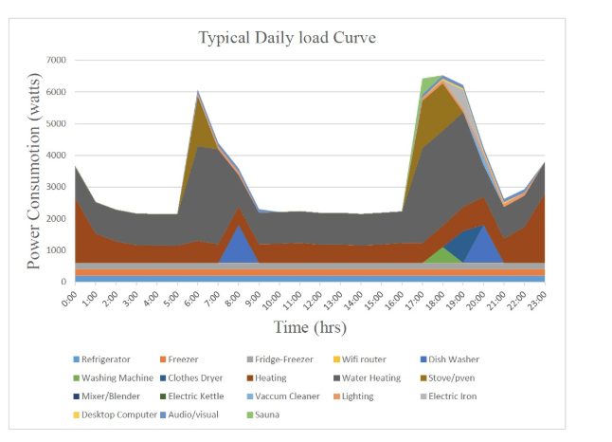
 |  | 0 | 3800 | 2800 | 800 | 2000 | 0.526 | 0 | 0 | 0 | 0.52631578947 | 0.526
 |  | 1 | 2500 | 1500 | 800 | 700 | 0.280 | 0 | 30 | 0.5 | 0.52631578947 | 0.403
 |  | 2 | 2300 | 1300 | 800 | 500 | 0.217 | 1 | 0 | 1 | 0.28 | 0.280
 |  | 3 | 2200 | 1100 | 800 | 300 | 0.136 | 1 | 30 | 1.5 | 0.28 | 0.249
 |  | 4 | 2100 | 1100 | 800 | 300 | 0.143 | 2 | 0 | 2 | 0.21739130435 | 0.217
 |  | 5 | 2000 | 1100 | 800 | 300 | 0.150 | 2 | 30 | 2.5 | 0.21739130435 | 0.177
 |  | 6 | 5000 | 1200 | 800 | 400 | 0.080 | 3 | 0 | 3 | 0.13636363636 | 0.136
 |  | 7 | 4000 | 1100 | 800 | 300 | 0.075 | 3 | 30 | 3.5 | 0.13636363636 | 0.140
 |  | 8 | 3200 | 2100 | 1800 | 300 | 0.094 | 4 | 0 | 4 | 0.14285714286 | 0.143
 |  | 9 | 2500 | 1100 | 800 | 300 | 0.120 | 4 | 30 | 4.5 | 0.14285714286 | 0.146
 |  | 10 | 2200 | 1100 | 800 | 300 | 0.136 | 5 | 0 | 5 | 0.15 | 0.150
 |  | 11 | 2200 | 1100 | 800 | 300 | 0.136 | 5 | 30 | 5.5 | 0.15 | 0.115
 |  | 12 | 2200 | 1100 | 800 | 300 | 0.136 | 6 | 0 | 6 | 0.08 | 0.080
 |  | 13 | 2200 | 1100 | 800 | 300 | 0.136 | 6 | 30 | 6.5 | 0.08 | 0.078
 |  | 14 | 2200 | 1100 | 800 | 300 | 0.136 | 7 | 0 | 7 | 0.075 | 0.075
 |  | 15 | 2200 | 1100 | 800 | 300 | 0.136 | 7 | 30 | 7.5 | 0.075 | 0.084
 |  | 16 | 2200 | 1100 | 800 | 300 | 0.136 | 8 | 0 | 8 | 0.09375 | 0.094
 |  | 17 | 6400 | 1100 | 800 | 300 | 0.047 | 8 | 30 | 8.5 | 0.09375 | 0.107
 |  | 18 | 6500 | 1800 | 1000 | 800 | 0.123 | 9 | 0 | 9 | 0.12 | 0.120
 |  | 19 | 6300 | 2000 | 1500 | 500 | 0.079 | 9 | 30 | 9.5 | 0.12 | 0.128
 |  | 20 | 3800 | 2500 | 1800 | 700 | 0.184 | 10 | 0 | 10 | 0.13636363636 | 0.136
 |  | 21 | 2800 | 1200 | 850 | 350 | 0.125 | 10 | 30 | 10.5 | 0.13636363636 | 0.136
 |  | 22 | 3000 | 1400 | 800 | 600 | 0.200 | 11 | 0 | 11 | 0.13636363636 | 0.136
 |  | 23 | 3800 | 2500 | 800 | 1700 | 0.447 | 11 | 30 | 11.5 | 0.13636363636 | 0.136
 |  |  |  |  |  |  |  | 12 | 0 | 12 | 0.13636363636 | 0.136
 | C:\Users\yuxif\Downloads\Costs_of_Demand_Response_from_Residential_Customer.pdf |  |  |  |  |  |  | 12 | 30 | 12.5 | 0.13636363636 | 0.136
 |  |  |  |  |  |  |  | 13 | 0 | 13 | 0.13636363636 | 0.136
 |  |  |  |  |  |  |  | 13 | 30 | 13.5 | 0.13636363636 | 0.136
 |  |  |  |  |  |  |  | 14 | 0 | 14 | 0.13636363636 | 0.136
 |  |  |  |  |  |  |  | 14 | 30 | 14.5 | 0.13636363636 | 0.136
 |  |  |  |  |  |  |  | 15 | 0 | 15 | 0.13636363636 | 0.136
 |  |  |  |  |  |  |  | 15 | 30 | 15.5 | 0.13636363636 | 0.136
 |  |  |  |  |  |  |  | 16 | 0 | 16 | 0.13636363636 | 0.136
 |  |  |  |  |  |  |  | 16 | 30 | 16.5 | 0.13636363636 | 0.092
 |  |  |  |  |  |  |  | 17 | 0 | 17 | 0.046875 | 0.047
 |  |  |  |  |  |  |  | 17 | 30 | 17.5 | 0.046875 | 0.085
 |  |  |  |  |  |  |  | 18 | 0 | 18 | 0.12307692308 | 0.123
 |  |  |  |  |  |  |  | 18 | 30 | 18.5 | 0.12307692308 | 0.101
 |  |  |  |  |  |  |  | 19 | 0 | 19 | 0.079365079365 | 0.079
 |  |  |  |  |  |  |  | 19 | 30 | 19.5 | 0.079365079365 | 0.132
 |  |  |  |  |  |  |  | 20 | 0 | 20 | 0.18421052632 | 0.184
 |  |  |  |  |  |  |  | 20 | 30 | 20.5 | 0.18421052632 | 0.155
 |  |  |  |  |  |  |  | 21 | 0 | 21 | 0.125 | 0.125
 |  |  |  |  |  |  |  | 21 | 30 | 21.5 | 0.125 | 0.163
 |  |  |  |  |  |  |  | 22 | 0 | 22 | 0.2 | 0.200
 |  |  |  |  |  |  |  | 22 | 30 | 22.5 | 0.2 | 0.324
 |  |  |  |  |  |  |  | 23 | 0 | 23 | 0.44736842105 | 0.447
 |  |  |  |  |  |  |  | 23 | 30 | 23.5 | 0.44736842105 | 0.487

